Hiearchy View
CLASS: VERTICAL SORTATION DEVICE
a mechanical device that will redirect an item off a belt conveyor onto an aftersort lane. |  | 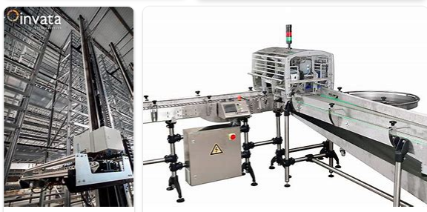
REMOVE | N

PROBLEM_DESC | CAUSE_DESC | REMEDY_DESC
ALARM/SENSOR
BROKEN/DAMAGED
NOISE
OTHER PROBLEM
OVERHEATING
POWER-ELEC
STOPPED/SLOWED/POOR OPS
TEMP-CTRL
VIBRATION
Grand Total

